Summary
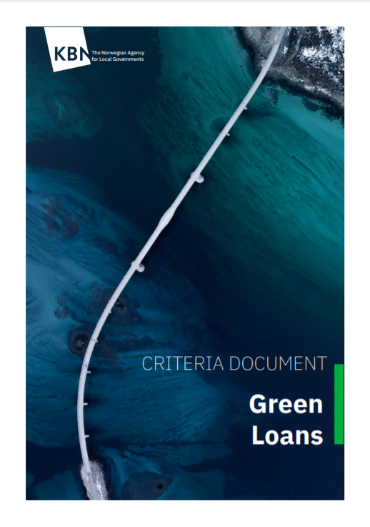
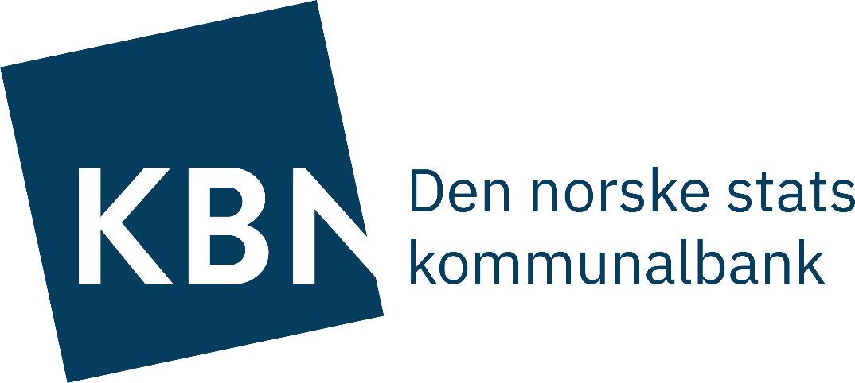
 | KBN Green Project Portfolio: Preliminary assessment of Taxonomy alignment
 | Per 31 December 2020 - updated 27 February 2021
KBN has for the first time screened all projects in its existing Green Project Portfolio against the technical screening criteria (TSC) in the EU’s Taxonomy for sustainable economic activities. This sheet summarises findings for all KBN's project categories. Full mapping of each project category against the Taxonomy criteria may be found in the following sheets.
The assessment has been conducted with the best intentions and on the basis of the information available. It is to be noted that the taxonomy has not yet been approved in its final form, and that KBN’s review is based on the technical screening criteria in the draft of the Taxonomy from November 2020. DNSH criteria have currently not been assessed. KBN’s mapping should therefore be regarded as preliminary.
The activity-level technical screening criteria in the preliminary taxonomy have been mapped against the 83 eligibility criteria defined in KBN's Criteria Document for Green Loans. The project count and volumes in this assessment are then based on which eligibility criteria the different KBN green projects are qualified under.
 | 1 Buildings
 | Subcategory (KBN Criteria Document) | Project type (KBN Criteria Document) | Correpsonding Taxonomy activity | Preliminary alignment assessment | Number of projects | Outstanding volume of green loans (in 1000 NOK) | Total outstanding portfolio (in 1000 NOK) | 26,112,224
 | 1.1 Measures for existing building stock | 1.1.1 Individual energy efficiency measures | 7.3 Installation, maintenance and repair of energy efficiency equipment | Likely aligned * | 12 | 134,016 | Aligned | 2,396,757
 |  | 1.1.2 Major renovation projects |  |  |  |  | Aligned (share) | 9.2 %
 |  | a) Energy efficiency increased by 30% | 7.2 Renovation of existing buildings | Likely aligned* | 1 | 175,000 | Likely aligned | 14,677,982
 |  | b) Climate friendly materials | n/a | Currently not covered | 0 | 0 | Likely aligned (share) | 56.2 %
 |  | c) Certification schemes |  |  | 0 | 0 | Currently not covered | 3,677,058
 |  | d) On-site renewable energy production |  |  | 0 | 0 | Currently not covered (share) | 14%
 |  | 1.1.3 Renovation of existing building stock in conjunction combined with a new extension building | n/a | Projects assessed individually | 2 | 750,000 | Likely not aligned | 0
 |  | 1.1.4 Adapting existing buildings to climate change | 7.2. Renovation of existing buildings (Climate Change Adaptation criteria) | Could not be assessed | 0 |  | Likely not aligned (share) | 0.0 %
 |  | 1.1.5 Renewable energy in buildings | 7.6 Installation, maintenance and repair of renewable energy technologies | Aligned | 3 | 9,293 | Could not be assessed | 1,037,190
 |  | 1.1.6 Energy storage in buildings | 7.6 Installation, maintenance and repair of renewable energy technologies | Aligned | 0 | 0 | Could not be assessed (share) | 4.0 %
 |  | 1.1.7 Use of DFØ (The Norwegian Agency for Public and Financial Management)'s Guidelines for sustainable procurement of building renovation | n/a | Projects assessed individually | 0 | 0 | Projects assessed individually | 4,323,237
 | 1.2 New buildings | 1.2.1 New low-energy buildings | 7.1 Construction of new buildings | Likely aligned * | 72 | 14,161,430 | Projects assessed individually (share) | 16.6 %
Preliminary alignment assessment
Aligned | 2,396,757
Likely aligned | 14,677,982
Currently not covered | 3,677,058
Could not be assessed | 1,037,190
Projects assessed individually | 4,323,237
 |  | 1.2.2 New buildings with climate-friendly materials | n/a | Currently not covered | 16 | 1,314,202
 |  | 1.2.3 New buildings designed for reuse | n/a | Currently not covered | 0 | 0
 |  | 1.2.4 Green certificated building | 7.1 Construction of new buildings | Likely not aligned | 0 | 0
 |  | 1.2.5 Buildings with locally produced energy | n/a | Could not be assessed | 0 | 0
 |  | 1.2.6 Use of DFØ (The Norwegian Agency for Public and Financial Management)'s Guidelines for sustainable procurement of buildings | n/a | Projects assessed individually | 0 | 0
 | 1.3 Other |  | n/a | Projects assessed individually | 19 | 2,573,996

 | 2 Renewable energy
 | Subcategory (KBN Criteria Document) | Project type (KBN Criteria Document) | Correpsonding Taxonomy activity | Preliminary alignment assessment | Number of projects | Outstanding volume of green loans (in 1000 NOK)
 | 2.1 Renewable energy production | 2.1.1 Renewable energy production
 |  | a) Plant for biogas production | 4.8 Electricity generation from bioenergy | Could not be assesed | 2 | 506,043
 |  | b) Geo-thermal energy production systems (geothermal wells) | 4.13 Manufacture of biogas and biofuels for use in transport | Likely aligned* | 0 | 0
 |  |  | 4.22 Production of heat/cool from geothermal energy |  | 0 | 0
 |  |  | 4.18 Cogeneration of heat/cool and power from geothermal energy |  | 0 | 0
 |  | c) Solar energy | 4.1 Electricity generation using solar photovoltaic technology | Aligned | 0 | 0
 |  |  | 4.2 Electricity generation using concentrated solar power (CSP) technology |  | 0 | 0
 |  |  | 4.17 Cogeneration of heat/cool and power from solar energy |  | 0 | 0
 |  |  | 4.21 Production of heat/cool from solar thermal heating |  | 0 | 0
 |  | d) Bio-based heating | 4.24 Production of heat/cool from bioenergy | Could not be assesed | 1 | 2,567
 |  |  | 4.20 Cogeneration of heat/cool and power from bioenergy |  | 0 | 0
 |  | e) Other renewable energy production | n/a | Projects assessed individually | 0 | 0
 | 2.2 Energy storage | 2.2.1 Energy storage in connection with production plants;
 |  | a) Electric energy storage, i.a. in batteries | 4.10 Storage of electricity | Aligned | 0 | 0
 |  | b) Thermal energy storage | 4.11 Storage of thermal energy |  | 0 | 0
 |  | c) Energy storage in hydrogen | 4.12 Storage of hydrogen |  | 0 | 0
 | 2.3 Energy infrastructure | 2.3.1 Network capacity | 4.9 Transmission and distribution of electricity | Aligned | 0 | 0
 |  | 2.3.2 District heating/cooling | 4.15 District heating/cooling distribution | Likely aligned* | 2 | 12,959
 |  |  | n/a | Projects assessed individually | 0 | 0

 | 3 Transportation
 | Subcategory (KBN Criteria Document) | Project type (KBN Criteria Document) | Correpsonding Taxonomy activity | Preliminary alignment assessment | Number of projects | Outstanding volume of green loans (in 1000 NOK)
 | 3.1 Cycling and walking | 3.1.1 Bicycles | 6.4 Operation of personal mobility devices | Aligned | 1 | 1,293
 |  | 3.1.2 Facilitating walking and cycling | 6.15 Infrastructure enabling low-carbon road transport | Aligned | 7 | 162,962
 | 3.2 Land transport | 3.2.1 Zero-emission vehicles | 6.5 Transport by motorbikes, passenger cars and light commercial vehicles | Aligned | 8 | 63,539
 |  |  | 6.3 Urban, suburban and road passenger transport
 |  |  | 6.6 Freight transport services by road
 |  | 3.2.2 Equipment for rail-based public transport | 6.3 Urban, suburban and road passenger transport | Aligned | 0 | 0
 |  | 3.2.3 Use of DFØ (The Norwegian Agency for Public and Financial Management)'s Guidelines for sustainable procurement of vehicles | n/a | Projects assessed individually | 0 | 0
 | 3.3 Maritime transport | 3.3.1 Zero-emission maritime transport | 6.7 Inland passenger water transport | Aligned | 1 | 51500
 | 3.4 Heavy machinery | 3.4.1 Zero-emission heavy machinery | n/a | Currently not covered | 0 | 0
 |  | 3.4.2 Use of DFØ (The Norwegian Agency for Public and Financial Management)'s Guidelines for sustainable procurement of heavy machinery | n/a | Projects assessed individually | 0 | 0
 | 3.5 Infrastructure | 3.5.1 Charging points for vehicles | 6.15 Infrastructure enabling low-carbon road transport | Aligned | 4 | 1,780
 |  | 3.5.2 Filling stations for green hydrogen and biogas | 6.15 Infrastructure enabling low-carbon road transport | Aligned | 1 | 8,130
 |  | 3.5.3 Operating equipment for public transport | 6.15 Infrastructure enabling low-carbon road transport | Aligned | 1 | 1,060,000
 |  | 3.5.4 Trackway and other infrastructure | 6.15 Infrastructure enabling low-carbon road transport | Aligned | 0 | 0
 |  | 3.5.5 Shore-side power supplies and charging | 6.16 Infrastructure for water transport | Aligned | 5 | 18,242
 |  | 3.5.6 Other port infrastructure | 6.16 Infrastructure for water transport | Aligned | 2 | 34,307
 |  | 3.5.7 Infrastructure for zero-emission heavy machinery | 6.15 Infrastructure enabling low-carbon road transport | Likely aligned* | 8 | 58,305
 | 3.6 Other |  | n/a | Projects assessed individually | 0 | 0

 | 4 Waste and circular economy
 | Subcategory (KBN Criteria Document) | Project type (KBN Criteria Document) | Correpsonding Taxonomy activity | Preliminary alignment assessment | Number of projects | Outstanding volume of green loans (in 1000 NOK)
 | 4.1 Waste prevention and reuse | 4.1.1 Measures that contribute to waste prevention or greater reuse | n/a | Currently not covered | 0 | 0
 | 4.2 Waste collection, processing and treatment | 4.2.1 Collection measures that increase waste sorting at source | 5.5 Collection and transport of non-hazardous waste in source segregated fractions | Aligned | 16 | 312,740
 |  | 4.2.2 More efficient waste collection | 5.5 Collection and transport of non-hazardous waste in source segregated fractions | Aligned | 6 | 28,187
 |  | 4.2.3 New facilities for sorting waste | 5.9 Material recovery from non-hazardous waste | Could not be assessed | 4 | 337,743
 |  | 4.2.4 New facilities for waste treatment | 5.9 Material recovery from non-hazardous waste | Could not be assessed | 1 | 45,916
 |  | 4.2.5 Sludge treatment for biogas production (bio-waste) | 5.7 Anaerobic digestion of bio-waste | Likely aligned* | 1 | 48,729
 |  | 4.2.6 Measures at existing facilities | 5.9 Material recovery from non-hazardous waste | Could not be assessed | 0 | 0
 |  | 4.2.7 Measures at existing landfill sites | 5.10 Landfill gas capture and utilisation | Likely aligned* | 1 | 843
 |  | 4.2.8 Carbon capture and storage (CCS) from waste incineration | n/a | Currently not covered | 0 | 0
 | 4.3 Other |  | n/a | Projects assessed individually | 3 | 33,354

 | 5 Water and wastewater management
 | Subcategory (KBN Criteria Document) | Project type (KBN Criteria Document) | Correpsonding Taxonomy activity | Preliminary alignment assessment | Number of projects | Outstanding volume of green loans (in 1000 NOK)
 | 5.1 Surface runoff management financed by water charges | 5.1.1 Separating wastewater and surface runoff | n/a | Currently not covered | 10 | 324,372
 | 5.2 Small scale energy production measures | 5.2.1 Heat recovery | 4.25 Production of heat/cool using waste heat | Aligned | 0 | 0
 |  | 5.2.2 Energy recovery | 7.6 Installation, maintenance and repair of renewable energy technologies | Aligned | 0 | 0
 | 5.3 Climate-friendly processing facilities | 5.3.1 Measures at existing water facilities
 |  | a) Increase in energy efficiency of at least 20% | 5.2 Renewal of water collection, treatment and supply systems | Likely aligned* | 0 | 0
 |  | b) Climate change adaptation of existing facilities | 5.2 (Climate Change Adaptation Criteria) | Could not be assessed | 0 | 0
 |  | c) Reduces the use of chemicals or the negative impact on the local environment | n/a | Currently not covered | 1 | 506,740
 |  | 5.3.2 Measures at existing wastewater facilities
 |  | a) Increase in energy efficiency of at least 20% | 5.4 Renewal of waste water collection and treatment | Likely aligned* | 1 | 86,700
 |  | b) Climate change adaptation of existing facilities | 5.2 (Climate Change Adaptation Criteria) | Could not be assessed | 0 | 0
 |  | c) Reduces the use of chemicals or reduces local pollution | n/a | Currently not covered | 5 | 263,832
 |  | 5.3.3 Phosphorous recovery | n/a | Currently not covered | 0 | 0
 |  | 5.3.4 Sludge treatment for biogas production (wastewater) | 5.6 Anaerobic digestion of sewage sludge | Aligned | 2 | 644,785
 |  | 5.3.5 New energy efficient water processing facilities
 |  | a) Increase in energy efficiency of at least 20% compared to pre-situation or a likely alternative solution | 5.1 Construction, extension and operation of water collection, treatment and supply systems | Could not be assessed | 0 | 0
 |  | b) Facility constructed as a response to a climate change adaptation need | 5.2 (Climate Change Adaptation Criteria) | Could not be assessed | 0 | 0
 |  | c) Reduces the use of chemicals or the negative impact on the local environment | n/a | Currently not covered | 7 | 556,164
 |  | 5.3.6 New energy efficient waste water treatment facilities
 |  | a) Increase in energy efficiency of at least 20% compared to pre-situation or a likely alternative solution | 5.3 Construction, extension and operation of waste water collection and treatment | Likely not aligned | 0 | 0
 |  | b) Facility constructed as a response to a climate change adaptation need | 5.2 (Climate Change Adaptation Criteria) | Could not be assessed | 5 | 144,921
 |  | c) Reduces the use of chemicals or the negative impact on the local environment | n/a | Currently not covered | 5 | 392,935
 | 5.4 Climate-friendly construction projects | 5.4.1 Fossil-fuel-free or zero-emission excavation works/ construction sites | n/a | Currently not covered | 0 | 0
 |  | 5.4.2 No-dig projects | n/a | Currently not covered | 0 | 0
 | 5.5 Other | Other |  | Projects assessed individually | 16 | 953,596

 | 6 Land use and area projects
 | Subcategory (KBN Criteria Document) | Project type (KBN Criteria Document) | Correpsonding Taxonomy activity | Preliminary alignment assessment | Number of projects | Outstanding volume of green loans (in 1000 NOK)
 | 6.1 Anti-pollution measures | 6.1.1 Measures against pollution on land | n/a | Currently not covered | 1 | 4,750
 | 6.2 Area development and land usage | 6.1.2 Measures against water pollution (ports, seas, rivers, watercourses etc.) | n/a | Currently not covered | 2 | 46,663
 |  | 6.2.1 Sustainable area development | n/a | Currently not covered | 2 | 134,688
 |  | 6.2.2 Nature restoration | n/a | Currently not covered | 0 | 0
 | 6.3 Other |  | n/a | Projects assessed individually | 0 | 0

 | 7 Climate change adaptation
 | Subcategory (KBN Criteria Document) | Project type (KBN Criteria Document) | Correpsonding Taxonomy activity | Preliminary alignment assessment | Number of projects | Outstanding volume of green loans (in 1000 NOK)
 | 7.1 Surface runoff management | 7.1.1 Surface runoff management | n/a | Currently not covered | 3 | 74,247
 | 7.2 Climate change adaptation | 7.2.1 Protection against natural disasters | n/a | Currently not covered | 4 | 40,467
 |  | 7.2.2 Infrastructure relocation | n/a | Currently not covered | 1 | 16,066
 |  | 7.2.3 Other climate change adaptation measures | n/a | Currently not covered | 1 | 1,934
 | 7.3 Emergency preparedness | 7.3.1 Warning systems and emergency preparedness | n/a | Currently not covered | 0 | 0
 | 7.4 Other |  | n/a | Projects assessed individually | 1 | 12,291

